PK
 |  |  |  |  |  |  |  | 3486 | € 33.57 | € 117,029.51
PHOTO | brand | GENDER | STYLE | MODEL | ARTICLE CODE | COLOR | SIZE | QTY | RRP | TOTAL RRP
 | ADIDAS | MAN | T-Shirt | Adidas Squadra21 | GN5720 | BLACK | M | 0 | € 20.00 | € -
 |  |  | T-Shirt |  |  |  | L | 47 | € 20.00 | € 940.00
 |  |  | T-Shirt |  |  |  | XL | 20 | € 20.00 | € 400.00
 |  |  | T-Shirt |  |  |  | XXL | 6 | € 20.00 | € 120.00
 | ADIDAS | MAN | T-Shirt | Adidas Squadra21 | GN5724 | NAVY | M | 46 | € 20.00 | € 920.00
 |  |  | T-Shirt |  |  |  | L | 40 | € 20.00 | € 800.00
 |  |  | T-Shirt |  |  |  | XL | 20 | € 20.00 | € 400.00
 |  |  | T-Shirt |  |  |  | XXL | 8 | € 20.00 | € 160.00
 | ADIDAS | MAN | Short | Adidas Squadra21 | GN5776 | BLACK | M | 46 | € 20.00 | € 920.00
 |  |  | Short |  |  |  | L | 37 | € 20.00 | € 740.00
 |  |  | Short |  |  |  | XL | 25 | € 20.00 | € 500.00
 |  |  | Short |  |  |  | XXL | 0 | € 20.00 | € -
 | ADIDAS | MAN | Short | Adidas Squadra21 | GN5775 | NAVY | M | 28 | € 20.00 | € 560.00
 |  |  | Short |  |  |  | L | 13 | € 20.00 | € 260.00
 |  |  | Short |  |  |  | XL | 7 | € 20.00 | € 140.00
 |  |  | Short |  |  |  | XXL | 0 | € 20.00 | € -
 | ADIDAS | MAN | Pant | Adidas Squadra21 | GT6642 | BLACK | M | 39 | € 50.00 | € 1,950.00
 |  |  | Pant |  |  |  | L | 33 | € 50.00 | € 1,650.00
 |  |  | Pant |  |  |  | XL | 19 | € 50.00 | € 950.00
 |  |  | Pant |  |  |  | XXL | 5 | € 50.00 | € 250.00
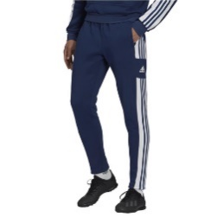 | ADIDAS | MAN | Pant | Adidas Squadra21 | GT6643 | NAVY | M | 26 | € 50.00 | € 1,300.00
 |  |  | Pant |  |  |  | L | 22 | € 50.00 | € 1,100.00
 |  |  | Pant |  |  |  | XL | 7 | € 50.00 | € 350.00
 |  |  | Pant |  |  |  | XXL | 2 | € 50.00 | € 100.00
 | ADIDAS | MAN | Pant | Adidas Entrada 22 | HB0574 | BLACK | M | 41 | € 40.00 | € 1,640.00
 |  |  | Pant |  |  |  | L | 34 | € 40.00 | € 1,360.00
 |  |  | Pant |  |  |  | XL | 19 | € 40.00 | € 760.00
 |  |  | Pant |  |  |  | XXL | 4 | € 40.00 | € 160.00
 | ADIDAS | MAN | Pant | Adidas Entrada 22 | H57529 | NAVY | M | 25 | € 40.00 | € 1,000.00
 |  |  | Pant |  |  |  | L | 19 | € 40.00 | € 760.00
 |  |  | Pant |  |  |  | XL | 5 | € 40.00 | € 200.00
 |  |  | Pant |  |  |  | XXL | 3 | € 40.00 | € 120.00
 | ADIDAS | MAN | Pant | Adidas Entrada 22 | H57531 | greyfour | M | 26 | € 40.00 | € 1,040.00
 |  |  | Pant |  |  |  | L | 18 | € 40.00 | € 720.00
 |  |  | Pant |  |  |  | XL | 6 | € 40.00 | € 240.00
 |  |  | Pant |  |  |  | XXL | 0 | € 40.00 | € -
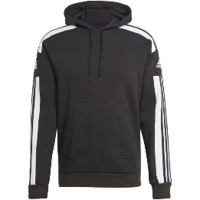 | ADIDAS | MAN | Hoody | Adidas Squadra21 | GT6634 | BLACK | M | 31 | € 50.00 | € 1,550.00
 |  |  | Hoody |  |  |  | L | 27 | € 50.00 | € 1,350.00
 |  |  | Hoody |  |  |  | XL | 23 | € 50.00 | € 1,150.00
 |  |  | Hoody |  |  |  | XXL | 0 | € 50.00 | € -
 | ADIDAS | MAN | Hoody | Adidas Squadra21 | GT6635 | GREY | M | 11 | € 50.00 | € 550.00
 |  |  | Hoody |  |  |  | L | 4 | € 50.00 | € 200.00
 |  |  | Hoody |  |  |  | XL | 1 | € 50.00 | € 50.00
 |  |  | Hoody |  |  |  | XXL | 0 | € 50.00 | € -
 | ADIDAS | MAN | Hoody | Adidas Squadra21 | GT6636 | NAVY | M | 25 | € 50.00 | € 1,250.00
 |  |  | Hoody |  |  |  | L | 18 | € 50.00 | € 900.00
 |  |  | Hoody |  |  |  | XL | 6 | € 50.00 | € 300.00
 |  |  | Hoody |  |  |  | XXL | 3 | € 50.00 | € 150.00
 | ADIDAS | MAN | Hoody | Adidas Entrada 22 | H57512 | BLACK | M | 41 | € 40.00 | € 1,640.00
 |  |  | Hoody |  |  |  | L | 34 | € 40.00 | € 1,360.00
 |  |  | Hoody |  |  |  | XL | 20 | € 40.00 | € 800.00
 |  |  | Hoody |  |  |  | XXL | 7 | € 40.00 | € 280.00
 | ADIDAS | MAN | Hoody | Adidas Entrada 22 | H57513 | NAVY | M | 26 | € 40.00 | € 1,040.00
 |  |  | Hoody |  |  |  | L | 18 | € 40.00 | € 720.00
 |  |  | Hoody |  |  |  | XL | 6 | € 40.00 | € 240.00
 |  |  | Hoody |  |  |  | XXL | 3 | € 40.00 | € 120.00
 | ADIDAS | MAN | Hoody | Adidas Entrada 22 | H57514 | RED | M | 9 | € 40.00 | € 360.00
 |  |  | Hoody |  |  |  | L | 5 | € 40.00 | € 200.00
 |  |  | Hoody |  |  |  | XL | 4 | € 40.00 | € 160.00
 |  |  | Hoody |  |  |  | XXL | 0 | € 40.00 | € -
 | ADIDAS | MAN | Hoody | Adidas Entrada 22 | HB0578 | greyfour | M | 25 | € 40.00 | € 1,000.00
 |  |  | Hoody |  |  |  | L | 17 | € 40.00 | € 680.00
 |  |  | Hoody |  |  |  | XL | 6 | € 40.00 | € 240.00
 |  |  | Hoody |  |  |  | XXL | 3 | € 40.00 | € 120.00
 | NIKE | MAN | T-SHIRT | Park VII Trikot KA | BV6708 010 | BLACK | S | 0 | € 29.99 | € -
 |  |  | T-SHIRT |  |  |  | M | 100 | € 29.99 | € 2,999.00
 |  |  | T-SHIRT |  |  |  | L | 92 | € 29.99 | € 2,759.08
 |  |  | T-SHIRT |  |  |  | XL | 45 | € 29.99 | € 1,349.55
 |  |  | T-SHIRT |  |  |  | XXL | 19 | € 29.99 | € 569.81
 | NIKE | MAN | T-SHIRT | Park VII Trikot KA | BV6708 410 | NAVY | S | 0 | € 29.99 | € -
 |  |  | T-SHIRT |  |  |  | M | 15 | € 29.99 | € 449.85
 |  |  | T-SHIRT |  |  |  | L | 16 | € 29.99 | € 479.84
 |  |  | T-SHIRT |  |  |  | XL | 7 | € 29.99 | € 209.93
 |  |  | T-SHIRT |  |  |  | XXL | 3 | € 29.99 | € 89.97
 | NIKE | MAN | T-SHIRT | Park VII Trikot KA | BV6708 657 | RED | S | 0 | € 29.99 | € -
 |  |  | T-SHIRT |  |  |  | M | 8 | € 29.99 | € 239.92
 |  |  | T-SHIRT |  |  |  | L | 8 | € 29.99 | € 239.92
 |  |  | T-SHIRT |  |  |  | XL | 3 | € 29.99 | € 89.97
 |  |  | T-SHIRT |  |  |  | XXL | 2 | € 29.99 | € 59.98
 | NIKE | MAN | T-SHIRT | Park VII Trikot KA | BV6708 463 | ROYAL | S | 0 | € 29.99 | € -
 |  |  | T-SHIRT |  |  |  | M | 7 | € 29.99 | € 209.93
 |  |  | T-SHIRT |  |  |  | L | 8 | € 29.99 | € 239.92
 |  |  | T-SHIRT |  |  |  | XL | 3 | € 29.99 | € 89.97
 |  |  | T-SHIRT |  |  |  | XXL | 2 | € 29.99 | € 59.98
 | NIKE | MAN | T-SHIRT | Park VII Trikot KA | BV6708 100 | WHITE | S | 14 | € 29.99 | € 419.86
 |  |  | T-SHIRT |  |  |  | M | 19 | € 29.99 | € 569.81
 |  |  | T-SHIRT |  |  |  | L | 20 | € 29.99 | € 599.80
 |  |  | T-SHIRT |  |  |  | XL | 9 | € 29.99 | € 269.91
 |  |  | T-SHIRT |  |  |  | XXL | 3 | € 29.99 | € 89.97
 | NIKE | MAN | T-SHIRT | Nike Park 20 T-Shirt | CZ0881 010 | BLACK | S | 11 | € 29.99 | € 329.89
 |  |  | T-SHIRT |  |  |  | M | 24 | € 29.99 | € 719.76
 |  |  | T-SHIRT |  |  |  | L | 24 | € 29.99 | € 719.76
 |  |  | T-SHIRT |  |  |  | XL | 10 | € 29.99 | € 299.90
 |  |  | T-SHIRT |  |  |  | XXL | 5 | € 29.99 | € 149.95
 | NIKE | MAN | T-SHIRT | Nike Park 20 T-Shirt | CZ0881 451 | obsidian blue | S | 0 | € 29.99 | € -
 |  |  | T-SHIRT |  |  |  | M | 10 | € 29.99 | € 299.90
 |  |  | T-SHIRT |  |  |  | L | 10 | € 29.99 | € 299.90
 |  |  | T-SHIRT |  |  |  | XL | 3 | € 29.99 | € 89.97
 |  |  | T-SHIRT |  |  |  | XXL | 2 | € 29.99 | € 59.98
 | NIKE | MAN | T-SHIRT | Nike Park 20 T-Shirt | CZ0881 657 | RED | S | 0 | € 29.99 | € -
 |  |  | T-SHIRT |  |  |  | M | 4 | € 29.99 | € 119.96
 |  |  | T-SHIRT |  |  |  | L | 4 | € 29.99 | € 119.96
 |  |  | T-SHIRT |  |  |  | XL | 1 | € 29.99 | € 29.99
 |  |  | T-SHIRT |  |  |  | XXL | 1 | € 29.99 | € 29.99
 | NIKE | MAN | T-SHIRT | Nike Park 20 T-Shirt | CZ0881 071 | GREY | S | 0 | € 29.99 | € -
 |  |  | T-SHIRT |  |  |  | M | 11 | € 29.99 | € 329.89
 |  |  | T-SHIRT |  |  |  | L | 11 | € 29.99 | € 329.89
 |  |  | T-SHIRT |  |  |  | XL | 4 | € 29.99 | € 119.96
 |  |  | T-SHIRT |  |  |  | XXL | 1 | € 29.99 | € 29.99
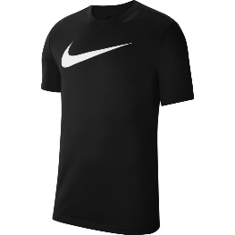 | NIKE | MAN | T-SHIRT | Nike Park20 Funktionshirt Swoosh | CW6936 010 | BLACK | S | 0 | € 34.95 | € -
 |  |  | T-SHIRT |  |  |  | M | 27 | € 34.95 | € 943.65
 |  |  | T-SHIRT |  |  |  | L | 27 | € 34.95 | € 943.65
 |  |  | T-SHIRT |  |  |  | XL | 13 | € 34.95 | € 454.35
 |  |  | T-SHIRT |  |  |  | XXL | 6 | € 34.95 | € 209.70
 | NIKE | MAN | T-SHIRT | Nike Park20 Funktionshirt Swoosh | CW6936 451 | NAVY | S | 0 | € 34.95 | € -
 |  |  | T-SHIRT |  |  |  | M | 11 | € 34.95 | € 384.45
 |  |  | T-SHIRT |  |  |  | L | 11 | € 34.95 | € 384.45
 |  |  | T-SHIRT |  |  |  | XL | 5 | € 34.95 | € 174.75
 |  |  | T-SHIRT |  |  |  | XXL | 3 | € 34.95 | € 104.85
 | NIKE | MAN | T-SHIRT | Nike Park20 Funktionshirt Swoosh | CW6936 657 | RED | S | 0 | € 34.95 | € -
 |  |  | T-SHIRT |  |  |  | M | 8 | € 34.95 | € 279.60
 |  |  | T-SHIRT |  |  |  | L | 8 | € 34.95 | € 279.60
 |  |  | T-SHIRT |  |  |  | XL | 3 | € 34.95 | € 104.85
 |  |  | T-SHIRT |  |  |  | XXL | 0 | € 34.95 | € -
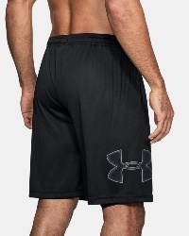 | UNDERARMOUR | MAN | SHORT | Herren Funktionsshort | 1306443 | BLACK | S | 36 | € 30.00 | € 1,080.00
 |  |  | SHORT |  |  |  | M | 70 | € 30.00 | € 2,100.00
 |  |  | SHORT |  |  |  | L | 76 | € 30.00 | € 2,280.00
 |  |  | SHORT |  |  |  | XL | 42 | € 30.00 | € 1,260.00
 |  |  | SHORT |  |  |  | XXL | 15 | € 30.00 | € 450.00
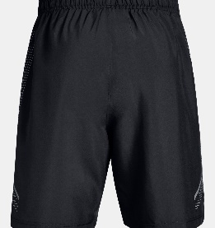 | UNDERARMOUR | MAN | SHORT | He Funktionsshort | 1309651 | BLACK | S | 0 | € 45.00 | € -
 |  |  | SHORT |  |  |  | M | 72 | € 45.00 | € 3,240.00
 |  |  | SHORT |  |  |  | L | 61 | € 45.00 | € 2,745.00
 |  |  | SHORT |  |  |  | XL | 40 | € 45.00 | € 1,800.00
 |  |  | SHORT |  |  |  | XXL | 15 | € 45.00 | € 675.00
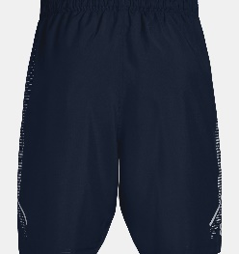 | UNDERARMOUR | MAN | SHORT | He Funktionsshort | 1309651 | NAVY | S | 0 | € 45.00 | € -
 |  |  | SHORT |  |  |  | M | 70 | € 45.00 | € 3,150.00
 |  |  | SHORT |  |  |  | L | 71 | € 45.00 | € 3,195.00
 |  |  | SHORT |  |  |  | XL | 41 | € 45.00 | € 1,845.00
 |  |  | SHORT |  |  |  | XXL | 15 | € 45.00 | € 675.00
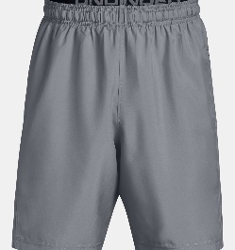 | UNDERARMOUR | MAN | SHORT | He Funktionsshort | 1309651 | GREY | S | 0 | € 45.00 | € -
 |  |  | SHORT |  |  |  | M | 35 | € 45.00 | € 1,575.00
 |  |  | SHORT |  |  |  | L | 39 | € 45.00 | € 1,755.00
 |  |  | SHORT |  |  |  | XL | 18 | € 45.00 | € 810.00
 |  |  | SHORT |  |  |  | XXL | 0 | € 45.00 | € -
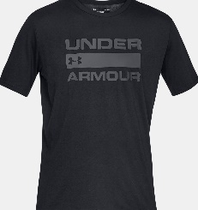 | UNDERARMOUR | MAN | T-SHIRT | He. T-Shirt Foundation | 1329582 | BLACK | S | 31 | € 26.00 | € 806.00
 |  |  | T-SHIRT |  |  |  | M | 72 | € 26.00 | € 1,872.00
 |  |  | T-SHIRT |  |  |  | L | 74 | € 26.00 | € 1,924.00
 |  |  | T-SHIRT |  |  |  | XL | 36 | € 26.00 | € 936.00
 |  |  | T-SHIRT |  |  |  | XXL | 16 | € 26.00 | € 416.00
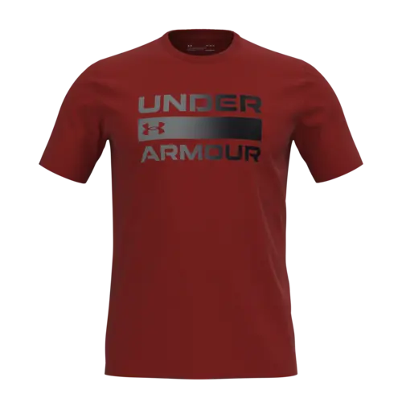 | UNDERARMOUR | MAN | T-SHIRT | He. T-Shirt Foundation | 1329582 | RED | S | 0 | € 26.00 | € -
 |  |  | T-SHIRT |  |  |  | M | 35 | € 26.00 | € 910.00
 |  |  | T-SHIRT |  |  |  | L | 20 | € 26.00 | € 520.00
 |  |  | T-SHIRT |  |  |  | XL | 16 | € 26.00 | € 416.00
 |  |  | T-SHIRT |  |  |  | XXL | 0 | € 26.00 | € -
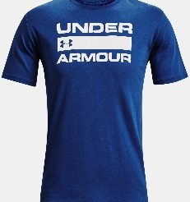 | UNDERARMOUR | MAN | T-SHIRT | He. T-Shirt Foundation | 1329582 | NAVY | S | 10 | € 26.00 | € 260.00
 |  |  | T-SHIRT |  |  |  | M | 30 | € 26.00 | € 780.00
 |  |  | T-SHIRT |  |  |  | L | 36 | € 26.00 | € 936.00
 |  |  | T-SHIRT |  |  |  | XL | 18 | € 26.00 | € 468.00
 |  |  | T-SHIRT |  |  |  | XXL | 7 | € 26.00 | € 182.00
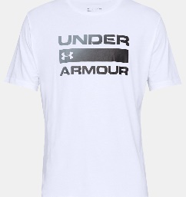 | UNDERARMOUR | MAN | T-SHIRT | He. T-Shirt Foundation | 1329582 | WHITE | S | 0 | € 26.00 | € -
 |  |  | T-SHIRT |  |  |  | M | 61 | € 26.00 | € 1,586.00
 |  |  | T-SHIRT |  |  |  | L | 63 | € 26.00 | € 1,638.00
 |  |  | T-SHIRT |  |  |  | XL | 32 | € 26.00 | € 832.00
 |  |  | T-SHIRT |  |  |  | XXL | 0 | € 26.00 | € -
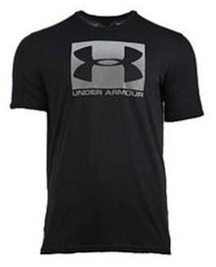 | UNDERARMOUR | MAN | T-SHIRT | Herren T-Shirt | 1329581 | BLACK | S | 0 | € 26.00 | € -
 |  |  | T-SHIRT |  |  |  | M | 19 | € 26.00 | € 494.00
 |  |  | T-SHIRT |  |  |  | L | 75 | € 26.00 | € 1,950.00
 |  |  | T-SHIRT |  |  |  | XL | 20 | € 26.00 | € 520.00
 |  |  | T-SHIRT |  |  |  | XXL | 0 | € 26.00 | € -
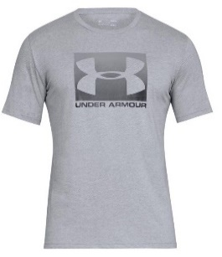 | UNDERARMOUR | MAN | T-SHIRT | Herren T-Shirt | 1329581 | GREY | S | 0 | € 26.00 | € -
 |  |  | T-SHIRT |  |  |  | M | 0 | € 26.00 | € -
 |  |  | T-SHIRT |  |  |  | L | 23 | € 26.00 | € 598.00
 |  |  | T-SHIRT |  |  |  | XL | 6 | € 26.00 | € 156.00
 |  |  | T-SHIRT |  |  |  | XXL | 0 | € 26.00 | € -
 | UNDERARMOUR | MAN | HOODIE | Damen Hoody | 1357093 | BLACK | S | 0 | € 55.00 | € -
 |  |  | HOODIE |  |  |  | M | 13 | € 55.00 | € 715.00
 |  |  | HOODIE |  |  |  | L | 8 | € 55.00 | € 440.00
 |  |  | HOODIE |  |  |  | XL | 0 | € 55.00 | € -
 |  |  | HOODIE |  |  |  | XXL | 0 | € 55.00 | € -
 | UNDERARMOUR | MAN | HOODIE | Damen Hoody | 1357093 | BLACK | S | 0 | € 55.00 | € -
 |  |  | HOODIE |  |  |  | M | 0 | € 55.00 | € -
 |  |  | HOODIE |  |  |  | L | 20 | € 55.00 | € 1,100.00
 |  |  | HOODIE |  |  |  | XL | 9 | € 55.00 | € 495.00
 |  |  | HOODIE |  |  |  | XXL | 0 | € 55.00 | € -
 | UNDERARMOUR | WOMAN | TOP | Damen Funktionstop | 1328962 | BLACK | S | 0 | € 28.00 | € -
 |  |  | TOP |  |  |  | M | 29 | € 28.00 | € 812.00
 |  |  | TOP |  |  |  | L | 8 | € 28.00 | € 224.00
 |  |  | TOP |  |  |  | XL | 1 | € 28.00 | € 28.00
 |  |  | TOP |  |  |  | XXL | 0 | € 28.00 | € -
 | UNDERARMOUR | WOMAN | T-SHIRT | Da Funkltionsshirt | 1356305 | WHITE | S | 29 | € 26.00 | € 754.00
 |  |  | T-SHIRT |  |  |  | M | 28 | € 26.00 | € 728.00
 |  |  | T-SHIRT |  |  |  | L | 16 | € 26.00 | € 416.00
 |  |  | T-SHIRT |  |  |  | XL | 0 | € 26.00 | € -
 |  |  | T-SHIRT |  |  |  | XXL | 0 | € 26.00 | € -
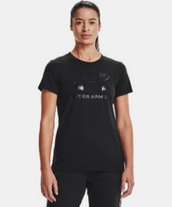 | UNDERARMOUR | WOMAN | T-SHIRT | Da Funkltionsshirt | 1356305 | BLACK | S | 26 | € 26.00 | € 676.00
 |  |  | T-SHIRT |  |  |  | M | 25 | € 26.00 | € 650.00
 |  |  | T-SHIRT |  |  |  | L | 7 | € 26.00 | € 182.00
 |  |  | T-SHIRT |  |  |  | XL | 4 | € 26.00 | € 104.00
 |  |  | T-SHIRT |  |  |  | XXL | 0 | € 26.00 | € -
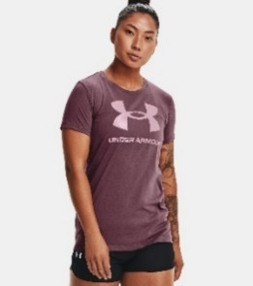 | UNDERARMOUR | WOMAN | T-SHIRT | Da Funkltionsshirt | 1356305 | PLUM | S | 24 | € 26.00 | € 624.00
 |  |  | T-SHIRT |  |  |  | M | 22 | € 26.00 | € 572.00
 |  |  | T-SHIRT |  |  |  | L | 7 | € 26.00 | € 182.00
 |  |  | T-SHIRT |  |  |  | XL | 0 | € 26.00 | € -
 |  |  | T-SHIRT |  |  |  | XXL | 0 | € 26.00 | € -
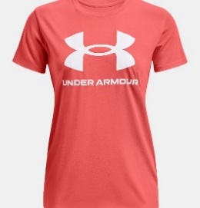 | UNDERARMOUR | WOMAN | T-SHIRT | Da Funkltionsshirt | 1356305 | MIAMI | S | 18 | € 26.00 | € 468.00
 |  |  | T-SHIRT |  |  |  | M | 18 | € 26.00 | € 468.00
 |  |  | T-SHIRT |  |  |  | L | 8 | € 26.00 | € 208.00
 |  |  | T-SHIRT |  |  |  | XL | 0 | € 26.00 | € -
 |  |  | T-SHIRT |  |  |  | XXL | 0 | € 26.00 | € -
 | UNDERARMOUR | WOMAN | HOODIE | Damen Hoody | 1356318 | PLUM | S | 1 | € 50.00 | € 50.00
 |  |  | HOODIE |  |  |  | M | 9 | € 50.00 | € 450.00
 |  |  | HOODIE |  |  |  | L | 10 | € 50.00 | € 500.00
 |  |  | HOODIE |  |  |  | XL | 0 | € 50.00 | € -
 |  |  | HOODIE |  |  |  | XXL | 0 | € 50.00 | € -

